Figure 7j
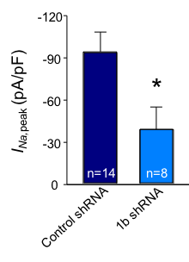
File | 17707000 | 17707009 | 17707029 | 17707040 | 17707055 | 17707066 | 17707072 | 17711005 | 17711015 | 17711022 | 17712002 | 17712010 | 17712019 | 17712030 | 18409000 | 18409002 | 18409004 | 18424127 | 18827000 | 18827002 | 18827005 | 18829000 | 18829007 | Mean | Mean
Condition | CN | CN | CN | 1b | 1b | 1b | 1b | CN | 1b | 1b | CN | CN | CN | CN | CN | CN | CN | CN* | CN | CN | 1b | CN | 1b | n | n
Cm | 48.6 | 27 | 38.6 | 31.8 | 70.3 | 47.8 | 22.1 | 66.8 | 86.7 | 55.2 | 52.1 | 38.8 | 48.5 | 54.5 | 23.9 | 25 | 28.8 | 93.4 | 36.2 | 74.4 | 120 | 47 | 150 | 14 | 8
Rs | 7.3 | 7.2 | 4.6 | 6.8 | 8 | 7.2 | 4.3 | 6.6 | 7.2 | 7 | 5.7 | 5.5 | 6.4 | 4 | 2.6 | 3.8 | 5.9 | 3.3 | 6.5 | 8 | 10.1 | 4.6 | 8 | CN | 1b shRNA | error CN | error 1b
INa,late | -133.50617284 | -266.44814815 | -460.0984456 | -116.06289308 | -192.97581792 | 0 | -167.23529412 | -186.82934132 | 0 | -140.17391304 | -442.57773512 | -144.32989691 | -397.19175258 | -364.58348624 | -275.9707113 | -171.152 | -161.02083333 | 0 | -143.53038674 | -1050.8051075 | -98.856666667 | -447.59574468 | -112.48666667 | -331.83141159 | -103.47390644 | 64.524827815 | 25.034878229

Figure 7k
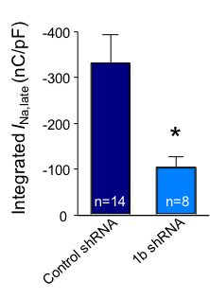
File | 17707000 | 17707009 | 17707029 | 17707040 | 17707055 | 17707066 | 17707072 | 17711005 | 17711015 | 17711022 | 17712002 | 17712010 | 17712019 | 17712030 | 18409000 | 18409002 | 18409004 | 18424127 | 18827000 | 18827002 | 18827005 | 18829000 | 18829007 | Mean | Mean
Condition | CN | CN | CN | 1b | 1b | 1b | 1b | CN | 1b | 1b | CN | CN | CN | CN | CN | CN | CN | CN* | CN | CN | 1b | CN | 1b | n | n
Cm | 48.6 | 27 | 38.6 | 31.8 | 70.3 | 47.8 | 22.1 | 66.8 | 86.7 | 55.2 | 52.1 | 38.8 | 48.5 | 54.5 | 23.9 | 25 | 28.8 | 93.4 | 36.2 | 74.4 | 120 | 47 | 150 | 14 | 8
Rs | 7.3 | 7.2 | 4.6 | 6.8 | 8 | 7.2 | 4.3 | 6.6 | 7.2 | 7 | 5.7 | 5.5 | 6.4 | 4 | 2.6 | 3.8 | 5.9 | 3.3 | 6.5 | 8 | 10.1 | 4.6 | 8 | CN | 1b shRNA | error CN | error 1b
INa,peak | -55.604938272 | -85.414814815 | -101.30051813 | -146.4245283 | -23.219061166 | -7.8389121339 | -8.9909502262 | -26.166167665 | -42.753171857 | -67.28442029 | -88.896353167 | -73.020618557 | -34.354639175 | -68.099082569 | -197.21757322 | -172.048 | -177.59027778 | -111.64668094 | -48.328729282 | -21.564516129 | -11.041666667 | -155.31914894 | -7.8633333333 | -93.20895555 | -39.427005497 | 15.848519683 | 17.021215885

